Classifying SLs
Classifying the Entire Service Line When Ownership Is Split

Purpose of this worksheet: To summarize EPA's requirements for classifying the entire service line when ownership is split.

Introduction
In many cases, service line ownership is split meaning that the system owns a portion and the customer owns a portion of the service line. Exhibit 1 below is a diagram of a possible division in service line ownership between the water system and customer. While the LCRR requires the inventory to categorize each service line or portions of the service line where ownership is split, a single classification per service line is also needed to support various LCRR requirements, such as lead service line replacement (LSLR), tap sampling, and risk mitigation. Table 1 below indicates how to classify the material for the entire service line when ownership is split between the water system and customer. For more information, see EPA's, Guidance for Developing and Maintaining a Service Line Inventory (2022).

Exhibit 1. Example of Service Line Ownership Distinction between the Water System and Customer
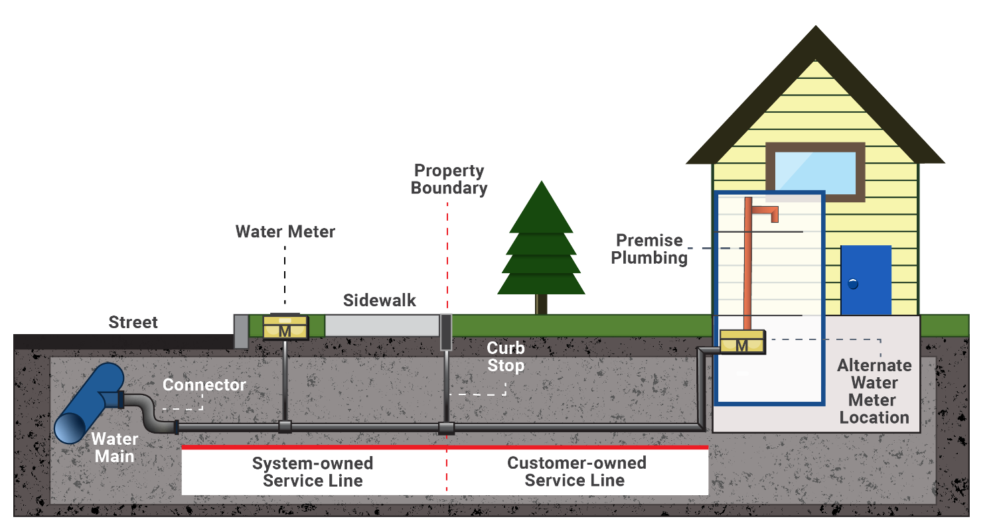

Source: Exhibit 2-2 of Guidance for Developing and Maintaining a Lead Service Line Inventory (USEPA, 2022).

Table 1: Classification of Entire Service Line When Ownership is Split
System-Owned Portion | Customer-Owned Portion | Classification for Entire Service Line
Lead | Lead | Lead
Lead | Galvanized Requiring Replacement | Lead
Lead | Non-lead | Lead
Lead | Lead Status Unknown | Lead
Non-lead | Lead | Lead
Non-lead and never previously lead | Non-lead, specifically galvanized pipe material | Non-lead
Non-lead | Non-lead, material other than galvanized | Non-lead
Non-lead | Lead Status Unknown | Lead Status Unknown
Non-lead, but system is unable to demonstrate it was not previously Lead | Galvanized Requiring Replacement | Galvanized Requiring Replacement
Lead Status Unknown | Lead | Lead
Lead Status Unknown | Galvanized Requiring Replacement | Galvanized Requiring Replacement
Lead Status Unknown | Non-lead | Lead Status Unknown
Lead Status Unknown | Lead Status Unknown | Lead Status Unknown
Source: Exhibit 2-3 of Guidance for Developing and Maintaining a Service Line Inventory (USEPA, 2022).

